Table structure
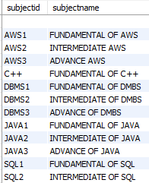
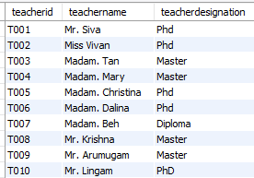
Table : student
Column Name | studentid (PK) | firstname | lastname | address | phone | classid (FK)
Data Type | varchar(255) | varchar(255) | varchar(255) | varchar(255) | varchar(255) | varchar(255)
Report: List all students in accordance to class
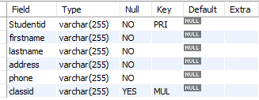

 |  |  | One to Many

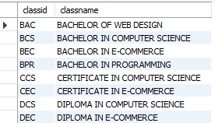

Table : class
Column Name | classid (PK) | classname
Data Type | varchar(255) | varchar(255)

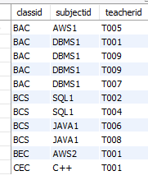

 | Table : classformation
 | Column Name | classid (FK) | subjectid (FK) | teacherid (FK)
 | Data Type | varchar(255) | varchar(255) | varchar(255)
 | Report: List all teachers and subjects in accordance to class

 |  | Many to Many |  | Many to Many

Table : subjectmatter |  |  |  | Table : teacher
Column Name | subjectid (PK) | subjectname |  | Column Name | teacherid (PK) | teachername | teacherdesignation
Data Type | varchar(255) | varchar(255) |  | Data Type | varchar(255) | varchar(255) | varchar(255)

